Sheet1
 |  | Confusion Matrix_SVM

 | DataSet Name : Social_Media_Ads
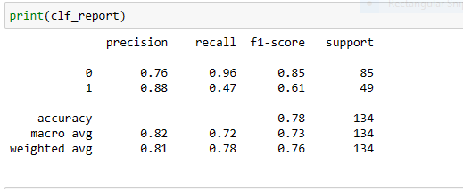

S.No | Questions | Accuracy | Precision | Recall | F1-score | Macro Average | Weighted Average
1 | What is the overall performance? / what is the Accuracy of model?(Both purchased and not purchased) | 78%
2 | what is the percentage of correct classification of not purchased? |  |  | 96%
3 | what is the percentage of correct classification of purchased? |  |  | 47%
4 | What is the percentage of correct and wrongly classified of purchased? |  | 88%
5 | What is the percentage of correct and wrongly classified of not purchased? |  | 76%
6 | What is the overall performance of purchased? |  |  |  | 61%
7 | What is the overall performance of not purchased? |  |  |  | 85%
8 | what is the average performance of precision?(correctly and wrongly classifier) |  |  |  |  | 82%
9 | what is the average performance of Recall?(correctly classifier) |  |  |  |  | 72%
10 | what is the average of overall performance?(FI measure) |  |  |  |  | 73%
11 | what is the sum of product of proportion rate (weight)of each class? Precision |  |  |  |  |  | 81%
12 | what is the sum of product of proportion rate(weight)of each class? Recall |  |  |  |  |  | 78%
13 | what is the sum of product of proportion rate (weight)of each class? F1 measure |  |  |  |  |  | 76%

